order summary
NOTES: | the big red arrow indicates flds needed from the DB

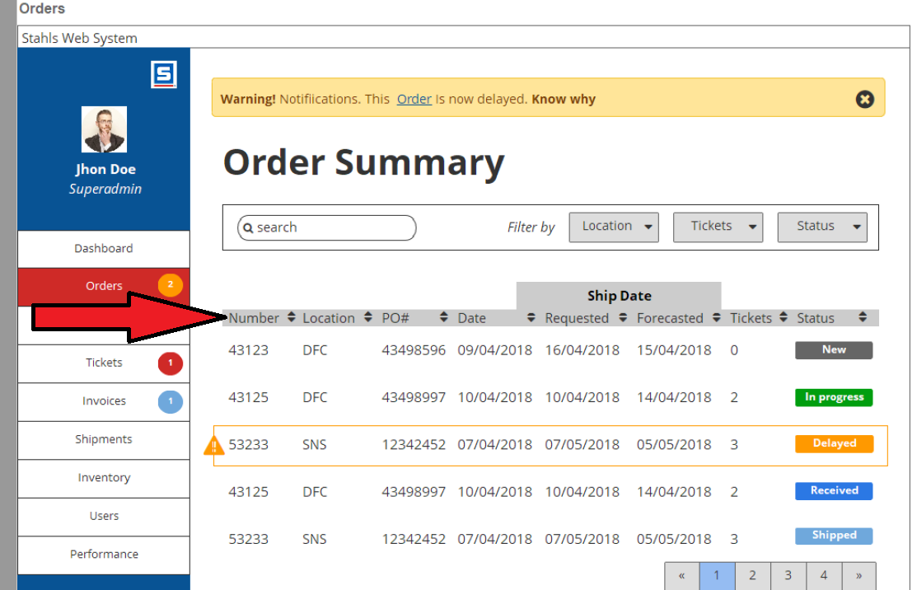

 |  | Order Number | SalesOrders-OrderNumber
 |  | Location | SalesOrderItems-CompanyCode
 |  | PO # | SalesOrders-PONumber
 |  | Order Date | SalesOrders-OrderDate
 |  | Requested Date | SalesOrders-RequiredDate
 |  | Forecasted Date | SalesOrders-ForecastFinish
 |  | Tickets
 |  | Status | SalesOrderStatus-StatusName | Needs Translation from numeric Value

order details
NOTES: | the big red arrow indicates flds needed from the DB

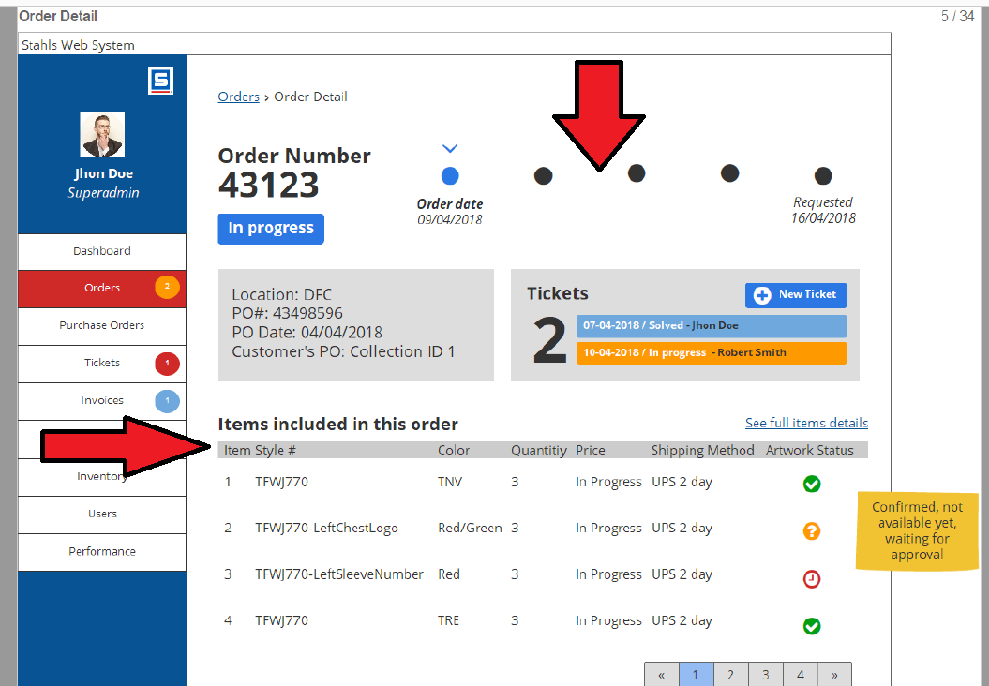

 |  | Item Number | SalesOrderItems-ItemNumber
 |  | Item Style | SalesOrderItems-StyleNumber
 |  | Color | SalesOrderItems-StyleColor
 |  | Quantity | SalesOrderItems-QuantityRequested
 |  | Header Status | SalesOrderStatus-StatusName
 |  | Shipping Method | Missing
 |  | Artwork Status | SalesOrderDetails-ArtworkStatus - Not this is from the detail record - belongs on next page

 |  | Line Status | Missing
 |  | Location | SalesOrderItems-CompanyCode
 |  | PO | SalesOrderStatus-PONumber
 |  | PO Date | Missing
 |  | Customers PO | SalesOrderStatus-RetailerPONumber
 |  | Order Date | SalesOrders-OrderDate
 |  | Order Number | SalesOrders-OrderNumber

 |  | We will need to define the five areas
 |  | Ordered
 |  | In production (released)
 |  | Shipped
 |  | Invoiced
 |  | Requested dated

order item detail
NOTES: | Ignore the picture of the garment we are nopt doing this for pahse one
 | for the otification at the top of the page - we can calculate them on the portal side, unless you are doing this on PolyPm side already
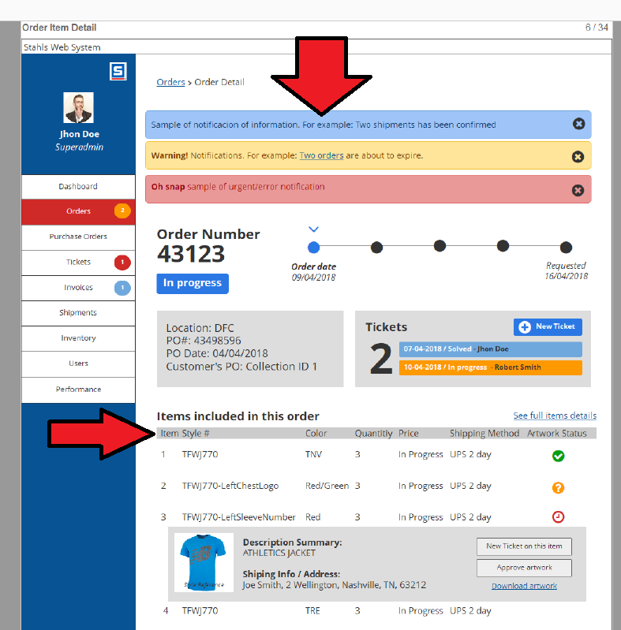

 |  | This needs to be fixed to show the quantity by size / color

 |  | Item Number | SalesOrderItems-ItemNumber
 |  | Item Style | SalesOrderDetails-StyleNumber2
 |  | Color | SalesOrderDetails-StyleColor2
 |  | Size | SalesOrderDetails-StyleColorDescription2
 |  | Quantity | SalesOrderDetails-RequestCount
 |  | Header Status | SalesOrderStatus-StatusName
 |  | Shipping Method | Missing
 |  | Artwork Status | SalesOrderDetails-ArtworkStatus
 |  | Status
 |  | Line Status | SalesOrderDetails-StatusName
 |  | Location | SalesOrderItems-CompanyCode
 |  | PO | SalesOrderStatus-PONumber
 |  | PO Date
 |  | Customers PO | SalesOrderStatus-RetailerPONumber
 |  | Order Date | SalesOrders-OrderDate
 |  | Order Number | SalesOrders-OrderNumber

order iem detail status
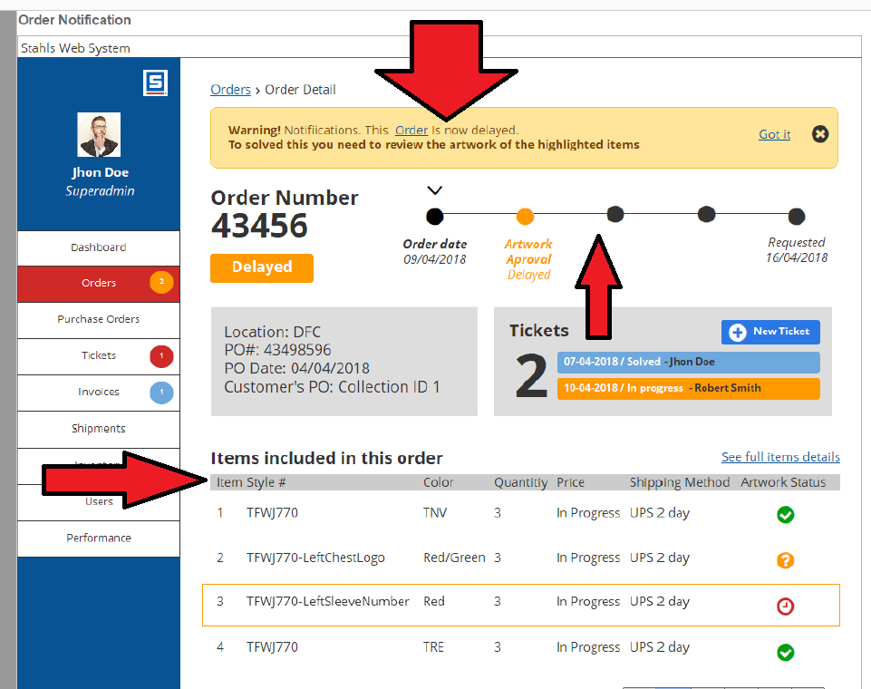
NOTES: | how Is PolyPm passing the "delays" shown on this page?

purchase orders
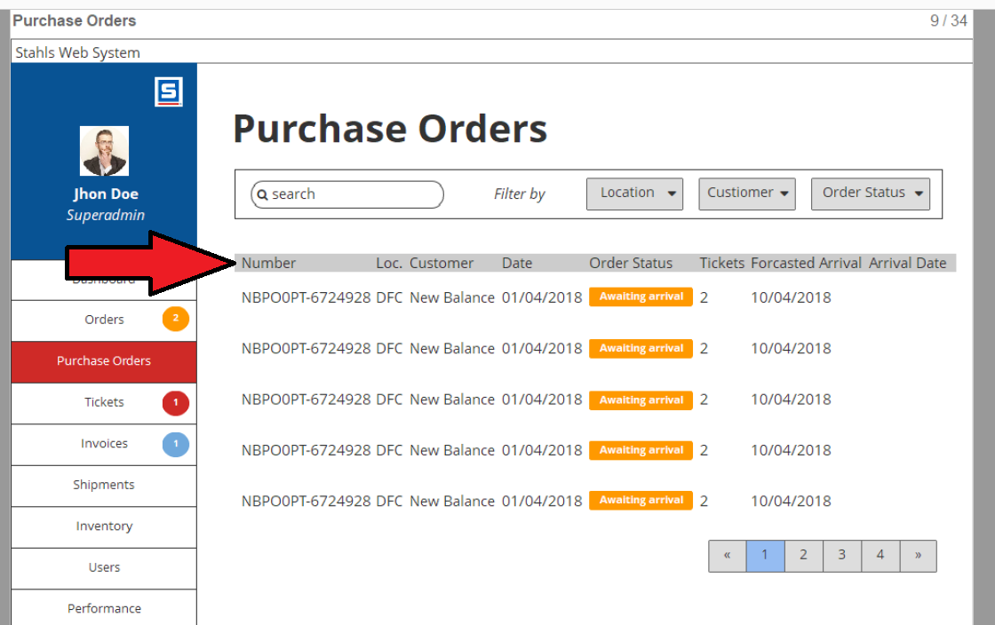

Number
LOC
Customer
Date
Status
Forecasted Arrival
Accutal Arrival

PO Details
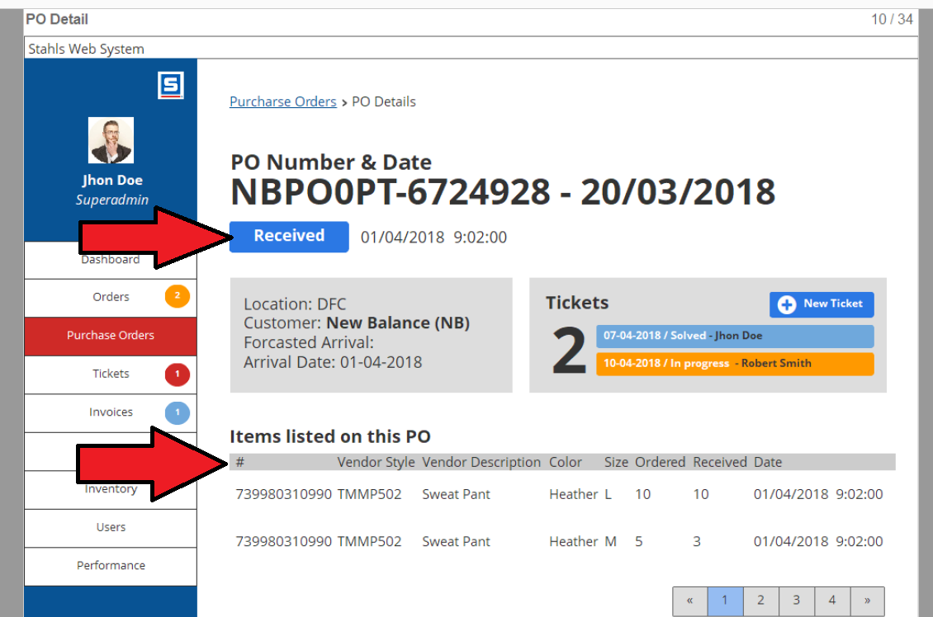

inventory
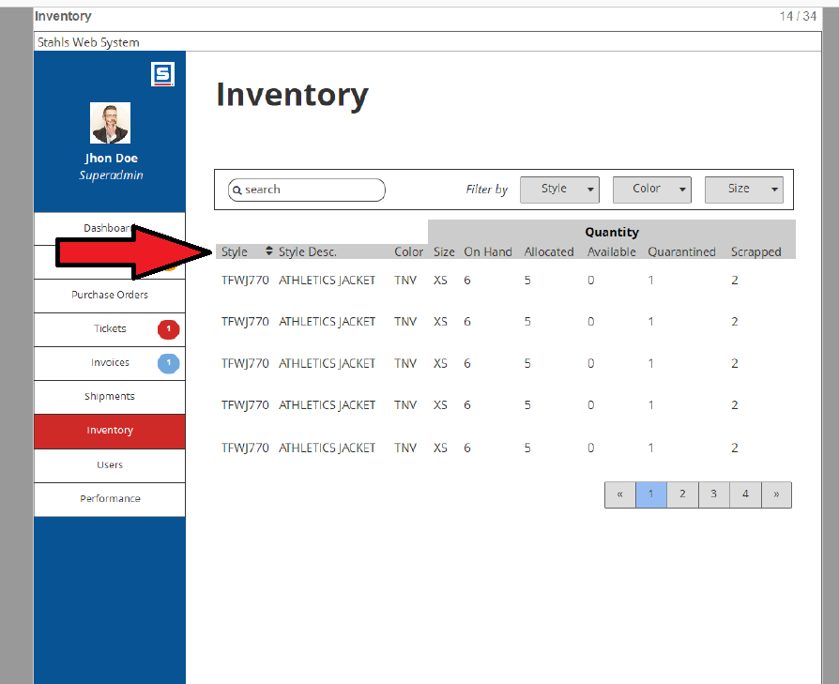

NOTES: | this needs to be inventory by facility - but since this is a client portal don't we allocate inventory by facility and client?

 |  | Style | FinishedGoods-StatusName
 |  | Style Description | FinishedGoods-Description
 |  | Color | FinishedGoods-StyleColor
 |  | Size | FinishedGoods-GarmentSize
 |  | On hand | FinishedGoods-QuantityOnHand
 |  | Allocated | Missing
 |  | Available | FinishedGoods-AdjustedQuantityOnHand
 |  | Quarantied | Missing
 |  | Scrapped | FinishedGoods-QuantitySeconds

